Helpful Info
Am I Using the Correct Budget Format?

NIH uses 2 different formats for budget sumission depending on the total direct costs requested and the activity code used.

The application forms package associated with most NIH funding opportunities includes two optional budget forms—(1) R&R Budget Form; and, (2) PHS 398 Modular Budget Form. NIH applications will include either the R&R Budget Form or the PHS 398 Modular Budget Form, but not both. To determine whether to use a detailed versus modular budget for your NIH application, see the flowchart below.
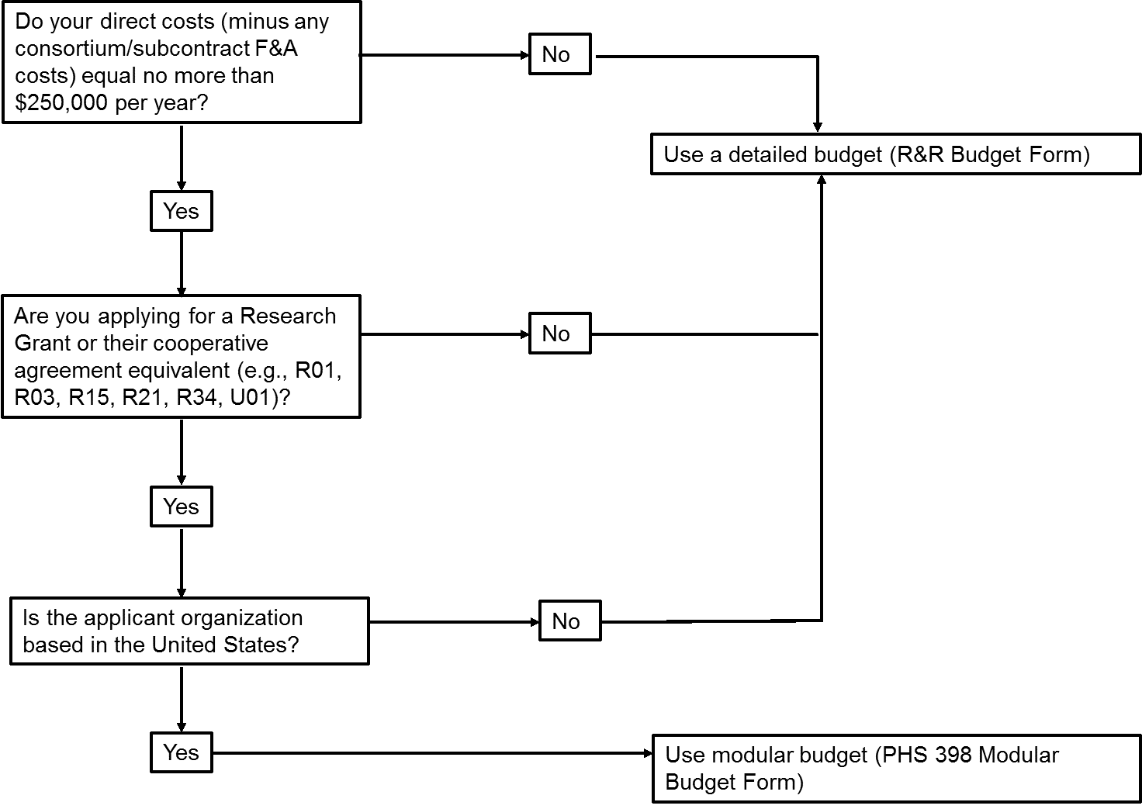

Federally Funded F&A Rates |  |  | Fringe Benefit Rates
Organized Research |  | 58.0% | Federally Funded
Other Sponsored Activities (on site) |  | 32.0% | All Employees (on or after 7/1/23) | 16.50%
All Programs (off site) |  | 26.0% | All Employees (on or before 6/30/23) | 19.10%
Non-Federally Funded F&A Rates |  |  | Non-Federally Funded
Industry and Other |  | 30.0% | 22%

Rate Types
Modified Total Direct Costs | MTDC
Total Direct Costs | TDC

Other Institutional Information
DUNS Number |  | 068610245
Federal Employer ID (TIN) |  | 36-2174823
HHS Entity Identification Number |  | 1362174823A1
Unique Entity Identifier (UEI) |  | C155UU2TXCP3
Human Subjects FWA |  | 00000482
Animal Welfare Assurance Number |  | A3120-01
NIH Salary Cap |  | 212,100
DHHS Rate Agreement Date |  | 2023-05-25
Congressional District |  | IL-007
State District |  | 9th
Tax Exempt Status |  | 501© 3
Type of Organization |  | Not-for-Profit Corp
Cognizant Agency (Contact Information) |  | DHHS
 |  | Oluloia Oluborode
 |  | 214-767-3261

Budget Template
 | PI Name: |  |  |  |  |  |  |  |  |  | Updated 10/24/2023
 | Project Title:

 | PA/RFP Number |  |  |  |  |  |  | Salary Inflation Rate
 | Project Begin Date |  |  |  |  |  |  | 0%
 | Project End Date
 | Number of Years |  | 0
 | NIH Activity Code (ie, R01, R21) |  |  |  |  |  |  | Indirect Cost Rate
 | F&A Base Type |  |  |  |  |  |  | 58%

Personnel (Included in MTDC) | PERSONNEL |  |  |  | YEAR 1 |  | 0 | 1900-12-29 |  |  |  |  |  |  |  |  |  |  |  |  |  |  |  |  |  |  |  |  |  |  |  |  |  |  |  | Math Check
 | Name | Senior /Key | Project Role | Annual Increase (Y/N) | Base Salary | Percent Effort | Cal Months | Requested Salary | Fringe Benefits | Funds Requested | Base Salary | Percent Effort | Cal Months | Requested Salary | Fringe Benefits | Funds Requested | Base Salary | Percent Effort | Cal Months | Requested Salary | Fringe Benefits | Funds Requested | Base Salary | Percent Effort | Cal Months | Requested Salary | Fringe Benefits | Funds Requested | Base Salary | Percent Effort | Cal Months | Requested Salary | Fringe Benefits | Funds Requested | TOTAL
 |  |  |  |  |  |  | 0.00 | - | - | - | - | 0.0% | 0.00 | - | - | - | - | 0.0% | 0.00 | - | - | - | - | 0.0% | 0.00 | - | - | - | - | 0.0% | 0.00 | - | - | - | -
 |  |  |  |  |  |  | 0.00 | - | - | - | - | 0.0% | 0.00 | - | - | - | - | 0.0% | 0.00 | - | - | - | - | 0.0% | 0.00 | - | - | - | - | 0.0% | 0.00 | - | - | - | -
 |  |  |  |  |  |  | 0.00 | - | - | - | - | 0.0% | 0.00 | - | - | - | - | 0.0% | 0.00 | - | - | - | - | 0.0% | 0.00 | - | - | - | - | 0.0% | 0.00 | - | - | - | -
 |  |  |  |  |  |  | 0.00 | - | - | - | - | 0.0% | 0.00 | - | - | - | - | 0.0% | 0.00 | - | - | - | - | 0.0% | 0.00 | - | - | - | - | 0.0% | 0.00 | - | - | - | -
 |  |  |  |  |  |  | 0.00 | - | - | - | - | 0.0% | 0.00 | - | - | - | - | 0.0% | 0.00 | - | - | - | - | 0.0% | 0.00 | - | - | - | - | 0.0% | 0.00 | - | - | - | -
 |  |  |  |  |  |  | 0.00 | - | - | - | - | 0.0% | 0.00 | - | - | - | - | 0.0% | 0.00 | - | - | - | - | 0.0% | 0.00 | - | - | - | - | 0.0% | 0.00 | - | - | - | -
 |  |  |  |  |  |  | 0.00 | - | - | - | - | 0.0% | 0.00 | - | - | - | - | 0.0% | 0.00 | - | - | - | - | 0.0% | 0.00 | - | - | - | - | 0.0% | 0.00 | - | - | - | -
 |  |  |  |  |  |  | 0.00 | - | - | - | - | 0.0% | 0.00 | - | - | - | - | 0.0% | 0.00 | - | - | - | - | 0.0% | 0.00 | - | - | - | - | 0.0% | 0.00 | - | - | - | -
 |  |  |  |  |  |  | 0.00 | - | - | - | - | 0.0% | 0.00 | - | - | - | - | 0.0% | 0.00 | - | - | - | - | 0.0% | 0.00 | - | - | - | - | 0.0% | 0.00 | - | - | - | -
 |  |  |  |  |  |  | 0.00 | - | - | - | - | 0.0% | 0.00 | - | - | - | - | 0.0% | 0.00 | - | - | - | - | 0.0% | 0.00 | - | - | - | - | 0.0% | 0.00 | - | - | - | -
 |  |  |  |  |  |  | 0.00 | - | - | - | - | 0.0% | 0.00 | - | - | - | - | 0.0% | 0.00 | - | - | - | - | 0.0% | 0.00 | - | - | - | - | 0.0% | 0.00 | - | - | - | -
 |  |  |  |  |  |  | 0.00 | - | - | - | - | 0.0% | 0.00 | - | - | - | - | 0.0% | 0.00 | - | - | - | - | 0.0% | 0.00 | - | - | - | - | 0.0% | 0.00 | - | - | - | -
 |  |  |  |  |  |  | 0.00 | - | - | - | - | 0.0% | 0.00 | - | - | - | - | 0.0% | 0.00 | - | - | - | - | 0.0% | 0.00 | - | - | - | - | 0.0% | 0.00 | - | - | - | -
 |  |  |  |  |  |  | 0.00 | - | - | - | - | 0.0% | 0.00 | - | - | - | - | 0.0% | 0.00 | - | - | - | - | 0.0% | 0.00 | - | - | - | - | 0.0% | 0.00 | - | - | - | -
 |  |  |  |  |  |  | 0.00 | - | - | - | - | 0.0% | 0.00 | - | - | - | - | 0.0% | 0.00 | - | - | - | - | 0.0% | 0.00 | - | - | - | - | 0.0% | 0.00 | - | - | - | -
 |  |  |  |  |  |  | 0.00 | - | - | - | - | 0.0% | 0.00 | - | - | - | - | 0.0% | 0.00 | - | - | - | - | 0.0% | 0.00 | - | - | - | - | 0.0% | 0.00 | - | - | - | -
 |  |  |  |  |  |  | 0.00 | - | - | - | - | 0.0% | 0.00 | - | - | - | - | 0.0% | 0.00 | - | - | - | - | 0.0% | 0.00 | - | - | - | - | 0.0% | 0.00 | - | - | - | -
 |  |  | Grad Res. Asst |  | 30,000 |  | 0.00 | - |  | - | 30,000 | 0.0% | 0.00 | - |  | - | 30,000 | 0.0% | 0.00 | - |  | - | 30,000 | 0.0% | 0.00 | - |  | - | 30,000 | 0.0% | 0.00 | - |  | - | -
 |  |  | Grad Res. Asst |  | 30,000 |  | 0.00 | - |  | - | 30,000 | 0.0% | 0.00 | - |  | - | 30,000 | 0.0% | 0.00 | - |  | - | 30,000 | 0.0% | 0.00 | - |  | - | 30,000 | 0.0% | 0.00 | - |  | - | -
 |  |  | Grad Res. Asst |  | 30,000 |  | 0.00 | - |  | - | 30,000 | 0.0% | 0.00 | - |  | - | 30,000 | 0.0% | 0.00 | - |  | - | 30,000 | 0.0% | 0.00 | - |  | - | 30,000 | 0.0% | 0.00 | - |  | - | -
 | Total Salaries, Wages & Fringe (Yr 1): |  |  |  |  |  |  | - | - | - | Total Salary/Fringe (Yr 2): |  |  | - | - | - | Total Salary/Fringe (Yr 3): |  |  | - | - | - | Total Salary/Fringe (Yr 4): |  |  | - | - | - | Total Salary/Fringe (Yr 5): |  |  | - | - | - | - | TRUE

Direct Costs (Included in MTDC) | TRAVEL
 | [domestic trip1] |  |  |  |  |  |  |  |  |  |  |  |  |  |  |  |  |  |  |  |  |  |  |  |  |  |  |  |  |  |  |  |  |  | -
 | [domestic trip2] |  |  |  |  |  |  |  |  |  |  |  |  |  |  |  |  |  |  |  |  |  |  |  |  |  |  |  |  |  |  |  |  |  | -
 | [foreign trip 1] |  |  |  |  |  |  |  |  |  |  |  |  |  |  |  |  |  |  |  |  |  |  |  |  |  |  |  |  |  |  |  |  |  | -
 | Subtotal Travel (Yr 1): |  |  |  |  |  |  |  |  | - | Subtotal Travel (Yr 2): |  |  |  |  | - | Subtotal Travel (Yr 3): |  |  |  |  | - | Subtotal Travel (Yr 4): |  |  |  |  | - | Subtotal Travel: (Yr 5) |  |  |  |  | - | - | TRUE
 | OTHER DIRECT COSTS (F&A included)
 | [material and supplies] |  |  |  |  |  |  |  |  |  |  |  |  |  |  |  |  |  |  |  |  |  |  |  |  |  |  |  |  |  |  |  |  |  | -
 | [publication costs] |  |  |  |  |  |  |  |  |  |  |  |  |  |  |  |  |  |  |  |  |  |  |  |  |  |  |  |  |  |  |  |  |  | -
 | [consultant services] |  |  |  |  |  |  |  |  |  |  |  |  |  |  |  |  |  |  |  |  |  |  |  |  |  |  |  |  |  |  |  |  |  | -
 | [ADP/computer services] |  |  |  |  |  |  |  |  |  |  |  |  |  |  |  |  |  |  |  |  |  |  |  |  |  |  |  |  |  |  |  |  |  | -
 | [equip/facility rental/user fees] |  |  |  |  |  |  |  |  |  |  |  |  |  |  |  |  |  |  |  |  |  |  |  |  |  |  |  |  |  |  |  |  |  | -
 | [alterations and renovations] |  |  |  |  |  |  |  |  |  |  |  |  |  |  |  |  |  |  |  |  |  |  |  |  |  |  |  |  |  |  |  |  |  | -
 | [subject reimbursement] |  |  |  |  |  |  |  |  |  |  |  |  |  |  |  |  |  |  |  |  |  |  |  |  |  |  |  |  |  |  |  |  |  | -
 | [animals] |  |  |  |  |  |  |  |  |  |  |  |  |  |  |  |  |  |  |  |  |  |  |  |  |  |  |  |  |  |  |  |  |  | -
 | [other] |  |  |  |  |  |  |  |  |  |  |  |  |  |  |  |  |  |  |  |  |  |  |  |  |  |  |  |  |  |  |  |  |  | -
 | [other] |  |  |  |  |  |  |  |  |  |  |  |  |  |  |  |  |  |  |  |  |  |  |  |  |  |  |  |  |  |  |  |  |  | -
 | [other] |  |  |  |  |  |  |  |  |  |  |  |  |  |  |  |  |  |  |  |  |  |  |  |  |  |  |  |  |  |  |  |  |  | -
 | Subtotal Other Direct Costs (F&A included) (Yr 1): |  |  |  |  |  |  |  |  | - | Subtotal Other Direct Costs (F&A included) (Yr 2): |  |  |  |  | - | Subtotal Other Direct Costs (F&A included) (Yr 3): |  |  |  |  | - | Subtotal Other Direct Costs (F&A included) (Yr 4): |  |  |  |  | - | Subtotal Other Direct Costs (F&A included) (Yr 5): |  |  |  |  | - | - | TRUE

Direct Costs (Excluded from MTDC) | EQUIPMENT (>$5K per item)
 | [equipment item 1] |  |  |  |  |  |  |  |  |  |  |  |  |  |  |  |  |  |  |  |  |  |  |  |  |  |  |  |  |  |  |  |  |  | -
 | [equipment item 2] |  |  |  |  |  |  |  |  |  |  |  |  |  |  |  |  |  |  |  |  |  |  |  |  |  |  |  |  |  |  |  |  |  | -
 | [equipment item 3] |  |  |  |  |  |  |  |  |  |  |  |  |  |  |  |  |  |  |  |  |  |  |  |  |  |  |  |  |  |  |  |  |  | -
 | Subtotal Equipment Costs (Yr 1): |  |  |  |  |  |  |  |  | - | Subtotal Equipment Costs (Yr 2): |  |  |  |  | - | Subtotal Equipment Costs (Yr 3): |  |  |  |  | - | Subtotal Equipment Costs (Yr 4): |  |  |  |  | - | Subtotal Equipment Costs (Yr 5): |  |  |  |  | - | - | TRUE
 | OTHER COSTS (F&A excluded)
 | [patient care] |  |  |  |  |  |  |  |  |  |  |  |  |  |  |  |  |  |  |  |  |  |  |  |  |  |  |  |  |  |  |  |  |  | -
 | [rentals and off site leases] |  |  |  |  |  |  |  |  |  |  |  |  |  |  |  |  |  |  |  |  |  |  |  |  |  |  |  |  |  |  |  |  |  | -
 | [scholarships and fellowships] |  |  |  |  |  |  |  |  |  |  |  |  |  |  |  |  |  |  |  |  |  |  |  |  |  |  |  |  |  |  |  |  |  | -
...
Subawards | Subawards/Subcontracts
 | Indirect costs may be charged on the first $25,000 only for each subcontract. |  |  |  |  | Direct | Indirect | Total | Indirects allowed
 | [name of subrecipient 1] |  |  |  |  |  |  | - | -
 | [name of subrecipient 2] |  |  |  |  |  |  | - | -
 | [name of subrecipient 3] |  |  |  |  |  |  | - | -
 | [name of subrecipient 4] |  |  |  |  |  |  | - | -
 | [name of subrecipient 5] |  |  |  |  |  |  | - | -
 |  |  |  |  |  | 0 | 0 | - | -
 | Subaward/Subcontracts Total Costs (Yr 1): |  |  |  |  |  |  |  |  | - | Subaward/Subcontracts Total Costs (Yr 2):

 |  |  |  |  | Other Direct Cost/Subawards Subtotal: |  |  |  |  | - | Other Direct Cost/Subawards Subtotal:
DETAILED
DETAILED
 |  |  |  |  | YEAR 1 |  |  |  |  |  | YEAR 2
 |  |  |  |  | TOTAL DIRECT COSTS: |  |  |  |  | - | TOTAL DIRECT COSTS:
 |  |  |  |  | Direct Costs (less consortium F&A) |  |  |  |  | - | Direct Costs (less consortium F&A)
 |  |  |  |  | Indirect Cost Base (MTDC) |  |  |  |  | - | Indirect Cost Base (MTDC)
What Budget Format Should I Use? |  |  |  |  | INDIRECT COST |  |  |  |  | - | INDIRECT COST
 |  |  |  |  | TOTAL COSTS REQUESTED: |  |  |  |  | - | TOTAL REQUESTED Year 2
MODULAR
DETAILED
MODULAR
 |  |  |  |  | YEAR 1 |  |  |  |  |  | YEAR 2
 |  |  |  |  | Direct Costs |  |  |  |  | - | Direct Costs
 |  |  |  |  | Direct Costs (less consortium F&A) |  |  |  |  | - | Direct Costs (less consortium F&A)
 |  |  |  |  | Direct Costs (Module Amount rounded to nearest $25K) |  |  |  |  | - | Direct Costs (Module Amount rounded to nearest $25K)
 |  |  |  |  | Subcontract/Subawards Indirect Costs: |  |  |  |  | - | Subcontract/Subawards Indirect Costs
 |  |  |  |  | TOTAL DIRECT COSTS: |  |  |  |  | - | TOTAL DIRECT COSTS:
 |  |  |  |  | Indirect Cost Base (MTDC) |  |  |  |  | - | Indirect Cost Base (MTDC)
 |  |  |  |  | INDIRECT COST |  |  |  |  | - | INDIRECT COST
 |  |  |  |  | TOTAL COSTS REQUESTED: |  |  |  |  | - | TOTAL REQUESTED Year 2

 |  |  |  |  | Fringe Benefits Rates |  |  |  | Year 1
 |  |  |  |  | Full & Part time Employee, Federal Fringe Rate |  |  |  | 16.5%
 |  |  |  |  | Non-Federal, Research Fringe Rate |  |  |  | 22.0%

